25-26 Certified Tax Collections
SUMMARY OF PROPERTY TAX COLLECTIONS FOR FISCAL YEAR ENDING June 30, 2026 (ORS 311.531) |  |  |  |  |  |  |  | For Office Use Only
 |  |  |  |  |  |  |  | Date Received
Date___7/31/26________County of___Washington______________________Office of______Assessment & Taxation__________Contact Person_____Lisa Argyle_______Telephone Number____503-846-3905__________

ITEM | 2025-26 | 2024-25 | 2023-24 | 2022-23 | 2021-22 | 2020-21 | 2019-20 | Prior Years | Total For All Years
AMOUNT OF TAXES CERTIFIED
1. Total Amount Certified | 1,742,567,682.60
2. Real Property | 1,586,061,876.22 |  |  |  |  |  |  |  | 1,586,061,876.22
3. Personal Property | 93,435,652.92 |  |  |  |  |  |  |  | 93,435,652.92
4. Centrally Assessed by DOR (i.e. utilities, transportation, etc.) | 60,680,479.50 |  |  |  |  |  |  |  | 60,680,479.50
5. Manufactured Structures | 2,389,673.96 |  |  |  |  |  |  |  | 2,389,673.96
6. Total Amount Certified tax year 2025-26 (total of lines 2–5) | 1,742,567,682.60 |  |  |  |  |  |  |  | 1,742,567,682.60 | (a)
7. Uncollected Balance as of 7-1-25 [including deferred billing credits] |  | 15,835,012.21 | 4,598,860.17 | 2,424,766.87 | 987,706.89 | 352,204.01 | 293,648.66 | 592,218.05 | 25,084,416.86 | (b)
8. Amount Added to Rolls | 568,669.24 | 0.00 | 5,623.29 | 0.00 | 0.00 | 0.00 | 0.00 | 0.00 | 574,292.53 | (c1)
9. Total of Lines 6–8 | 1,743,136,351.84 | 15,835,012.21 | 4,604,483.46 | 2,424,766.87 | 987,706.89 | 352,204.01 | 293,648.66 | 592,218.05 | 1,768,226,391.99
10. Personal Property Taxes Cancelled By Order of County Court | 750.51 | 2,221.85 | 1,150.61 | 868.20 | 3,170.33 | 1,896.88 | 9,601.27 | 71,078.02 | 90,737.67
11. Real Property Foreclosures | 7,569.96 | 4,617.01 | 4,364.82 | 4,236.39 | 4,102.52 | 3,990.90 | 3,785.44 | 3,352.59 | 36,019.63
12. Destroyed or Damaged Property Taxes Cancelled under ORS 308.425 | 0.00 | 4,119.52 | 0.00 | 0.00 | 0.00 | 0.00 | 0.00 | 0.00 | 4,119.52
13. Other Corrections, Cancellations, etc. | 8,229,207.15 | -8,325,224.96 | -3,112,870.20 | -79,619.20 | -53,336.12 | 34,802.38 | 29,604.90 | 0.00 | -3,277,436.05
14. Total (Noncash) Credits (total of lines 10–13) | 8,237,527.62 | -8,314,266.58 | -3,107,354.77 | -74,514.61 | -46,063.27 | 40,690.16 | 42,991.61 | 74,430.61 | -3,146,559.23 | (c2)
15. Net Taxes For Collection (line 9 less line 14) | 1,734,898,824.22 | 24,149,278.79 | 7,711,838.23 | 2,499,281.48 | 1,033,770.16 | 311,513.85 | 250,657.05 | 517,787.44 | 1,771,372,951.22
16. Discounts Allowed | 44,526,005.14 | -7,291.07 | 67.86 | 52.10 | -1,780.14 | 185.19 | -100.18 | 0.00 | 44,517,138.90 | (g)
17. Total Taxes Collected | 1,671,562,862.14 | 19,069,855.88 | 4,858,543.14 | 1,215,561.75 | 606,251.48 | 69,307.03 | 35,875.40 | 42,436.18 | 1,697,460,693.00 | (d)
18. Total Remaining Uncollected 6-30-26 (line 15 less line 16 & 17) | 18,809,956.94 | 5,086,713.98 | 2,853,227.23 | 1,283,667.63 | 429,298.82 | 242,021.63 | 214,881.83 | 475,351.26 | 29,395,119.32 | (f)
19. Percentage Collected [1.00 minus (line 18 divided by line 15)] | 0.99 | 0.79 | 0.63 | 0.49 | 0.58 | 0.22 | 0.14
TAXES REMAINING UNCOLLECTED AS OF 6-30-26
20. Real Property | 16,718,482.85 | 4,357,620.41 | 2,273,260.70 | 906,203.36 | 130,764.61 | 67,892.11 | 33,435.26 | 150,737.69 | 24,638,396.99
21. Personal Property | 1,829,078.82 | 624,270.16 | 510,134.49 | 313,024.79 | 250,618.34 | 131,556.95 | 146,888.62 | 220,945.94 | 4,026,518.11
22. Centrally Assessed by DOR (i.e. utilities, transportation, etc.) | 64,308.99 | 6,223.10 | 1,562.12 | 19,295.59 | 19,183.81 | 19,204.66 | 17,351.45 | 6,263.01 | 153,392.73
23. Manufactured Structures | 198,086.28 | 98,600.31 | 68,269.92 | 45,143.89 | 28,732.06 | 23,367.91 | 17,206.50 | 97,404.62 | 576,811.49
24. Total Remaining Uncollected 6-30-26 (total of lines 20-23) | 18,809,956.94 | 5,086,713.98 | 2,853,227.23 | 1,283,667.63 | 429,298.82 | 242,021.63 | 214,881.83 | 475,351.26 | 29,395,119.32
25. Undistributed Tax in Potential Refund Credit Fund (ORS 305.286) as of 6-30-26 | 6,238,276.75 | 2,386,086.52 | 360,838.03 | 0.00 | 0.00 | 0.00 | 0.00 | 0.00 | 8,985,201.30 | Tie to 25-26 Sum Final (Potential Refund Credit (PRC)
26. Undistributed Tax in Appeal Reserve Account (ORS 311.814) as of 6-30-26 | 0.00 | 0.00 | 0.00 | 0.00 | 0.00 | 0.00 | 0.00 | 0.00 | 0.00
27. CATF Interest: 35.12% share from all districts (Tier 1) | 145,589.62 | 306,468.12 | 141,648.77 | 145,081.00 | 80,849.36 | 11,698.95 | 10,332.70 | 23,100.76 | 864,769.28 | (e1)
28. Additional CATF Interest: Additional 25% From Cities & Special Districts (Tier 2) | 42,918.48 | 88,669.98 | 39,908.42 | 40,289.92 | 22,343.02 | 3,222.24 | 2,855.15 | 5,990.11 | 246,197.32 | (e2)
29. Interest Distributed to Districts | 304,180.97 | 642,600.05 | 301,086.31 | 320,835.99 | 189,065.17 | 43,110.42 | 37,334.05 | 51,851.06 | 1,890,064.02 | (e3)
30. Refund Interest Paid | 17,188.02 | 28,148.26 | 10,269.26 | 4,790.06 | 6,359.79 | 4,664.00 | 2,272.28 | 0.00 | 73,691.67
 |  |  |  |  |  |  |  | Email Address: | dor.research@oregon.gov
I certify that these tables are a correct summary of transactions affecting the property tax rolls in fiscal year ending June 30, 2025, and the amounts remaining uncollected as of the same date. |  |  |  |  |  |  |  | Mailing Address: | Oregon Dept. of Revenue
 |  |  |  |  |  |  |  |  | Research Section
______________________________________________________________ |  | ____________________________________________________ |  |  |  | __________________________________ |  |  | 955 Center St., NE
Signature |  | Title |  |  |  | Date |  |  | Salem, OR 97301-2555

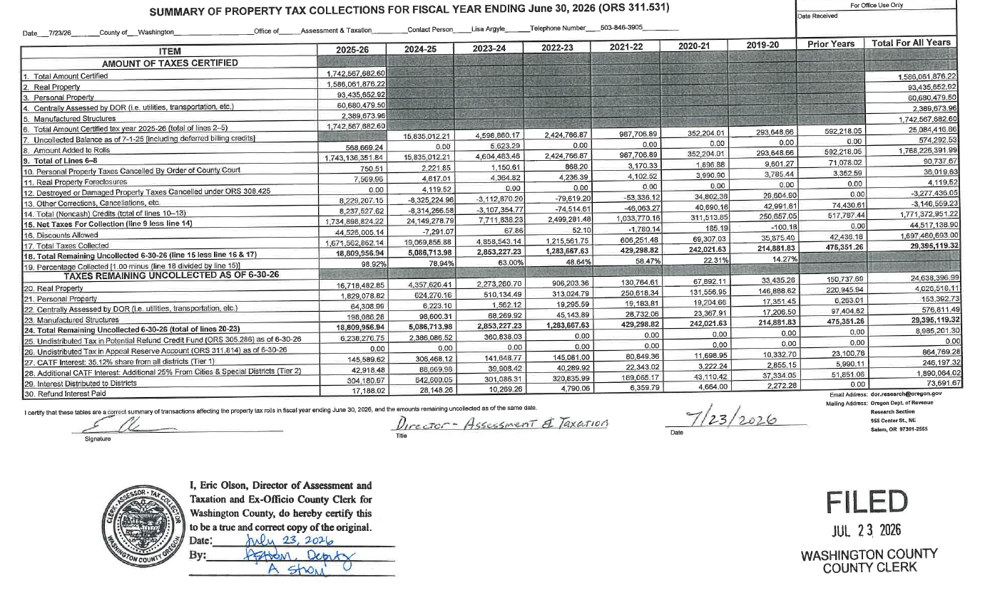
 | 7,668,858.38 | (8,314,266.58) | (3,112,978.06) | (74,514.61) | (46,063.27) | 40,690.16 | 42,991.61 | 74,430.61 | (3,720,851.76)

 | (7,668,858.38) | 8,314,266.58 | 3,112,978.06 | 74,514.61 | 46,063.27 | (40,690.16) | (42,991.61) | (74,430.61) | 3,720,851.76

 | - | - | - | - | - | - | - | - | -

